Colour Palette
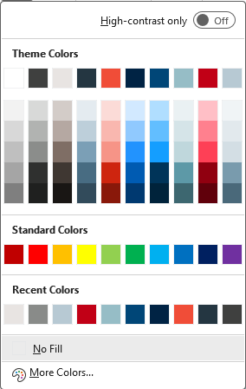
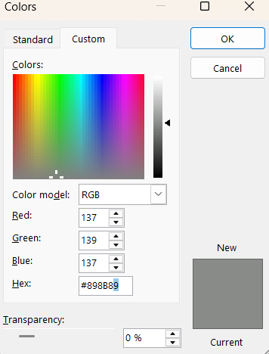
Font | Aptos Narrow
Colour Family
White | #FFFFFF
Dark Grey, Text 1 | #3F403F
Tan, Background 1 | #E8E4E2
Blue, Grey, Text 2 | #243641
Red, Accent 1 | #F04D38
Dark Blue, Accent 2 | #002344
Dark Blue, Accent 3 | #004677
Aqua, Accent 4 | #96BDC6
Dark Red, Accent 5 | #C10016
Ice Blue, Accent 6 | #B7C9D3
Gray | #898B89

